Instructions
Risks are events or conditions that may occur and have a negative effect on the achievement of results.
The purpose of risk management is to increase the likeliness of achieving the desired results.
Risks differ from problems, in that there is always uncertainty associated with risks.
Risk Management Tool

Digni's approach to risk management follows four simple steps:
1. Identify the risks
2. Analyse the risks
3. Mitigate the risks
4. Follow up the risks
The four steps can be summarised in a risk table (see below).

1. Identify the risks
Two categories of risks should be identified:
i. Risks that may hinder the achievement and sustainability of the project results
Risks are closely related to results, and the risk management plan should be developed in conjunction with a results framework. When identifying risks it may be a useful exercise to think: (a) if the project delivers the planned outputs ("services delivered"), what can hinder the output from leading to the expected outcome ("behaviour changed"); (b) what can hinder the outcome from leading to the impact ("long-term change for society"); (c) what can hinder the project's sustainability?
ii. Cross-cutting issues
For all projects under the Digni umbrella, it must be assessed whether the project can have unintended negative effects on the following four cross-cutting issues:[1]
- Anti-corruption
- Women and gender equality
- Climate and environment
- Human rights, including the rights of people with disabilities
Phrasing of risks
Risks should be phrased, not just as risk factors, such as "flooding" or "brain drain", but as a full sentence explaining how the risk will impact the results, for example:
1) Flooding prevents the seminar from taking place as the roads to the village become inaccessible
2) Trained mid-wives leave the country shortly after training instead of working in local clinics
Each of the cross-cutting issues should be identified with at least one risk.
Appendix 1 contains a list of guiding questions for each of the cross-cutting issues and is meant as an inspiration when identifying risks.
In addition to these two categories, there may also be other risks – such as damage to the reputation for the organisation or donor – that may be relevant to consider.

It may be useful to differentiate between external and internal risks. External risks are more or less outside the control of the project. External risk factors include for example natural disasters or political turmoil. Internal risks on the other hand are more within the control of the project, and can for example include poor project management or problems related to recruitment and funding.

Risks that are identified through evaluations or organizational reviews should always be included in the risk assessments and followed up accordingly.
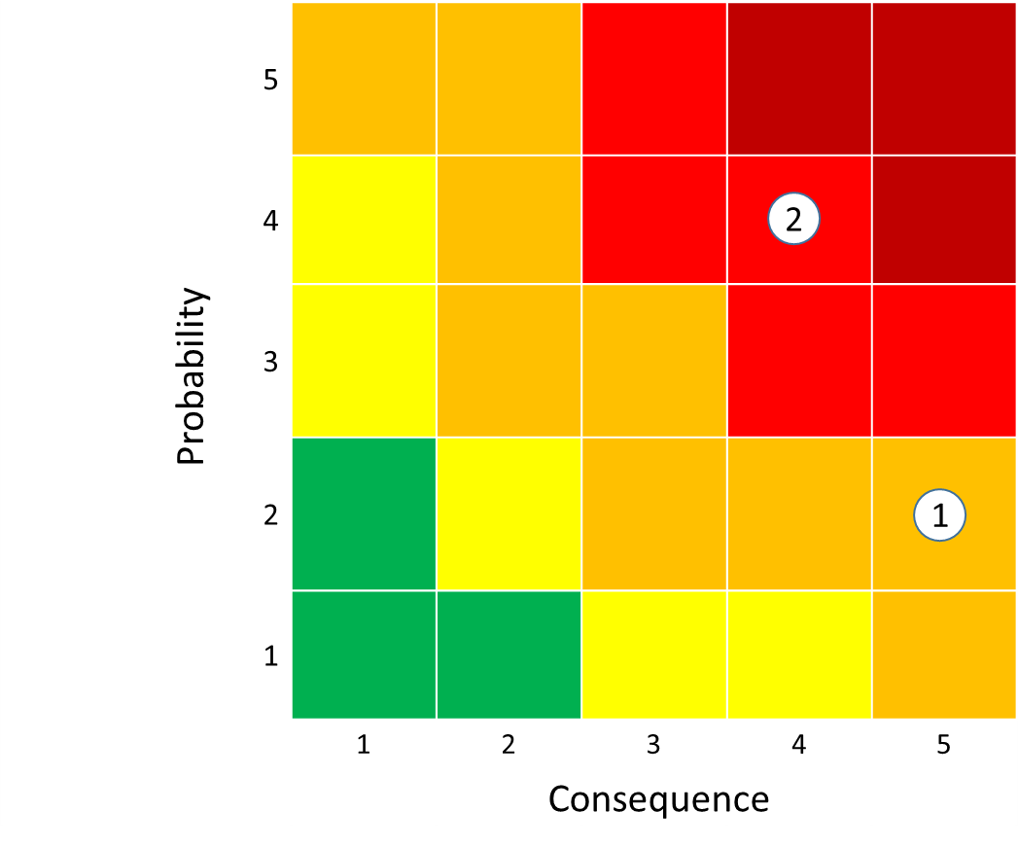
2. Analyse the risks
Risks should be analysed along two dimensions:
- Probability: What is the likelihood of the risk occurring?
- Consequence: How serious will the consequence be for the project if the risk occurs?
It can be useful to analyse the probability and consequence for example on a five-point scale, and then plot the risks in a diagram (as illustrated on the right).

3. Mitigate the risks
In order to mitigate the risks, consider whether it is possible to reduce:
- the probability of the risk occurring
- the consequence if the risk occurs

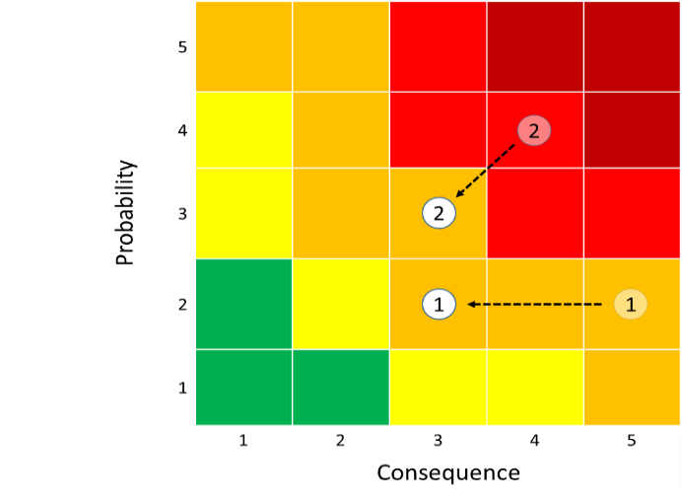
Focus on the most serious risks: risks that are in the green or even yellow areas might not require any mitigating measures. Risks that are in the orange and red, however, must be handled.
The diagram on the right illustrates how two risks are mitigated: risk 1 is a typical external risk (for example flooding rendering roads inaccessible) where one can only mitigate the consequence; whereas for risk 2 (for example trained mid-wives leave the country shortly after training) both consequence and probability can be mitigated.
It is necessary to consider the costs of the mitigating measures: if the cost of a measure is too high compared to the benefits, the measure should be dropped. It is not required – nor is it possible – to avoid all risks. If the remaining risk is relatively high also after mitigation, the project should describe why the heightened risk is tolerated (for example due to the essentiality of the project, or the potential of achieving extraordinary results should the project succeed).

4. Follow up the risks
For each of the mitigating measures the responsible person/unit should be identified, and a deadline for the follow-up measures should be defined.
The four steps in risk management are carried out in the planning phase of the project. Subsequently, the risk assessment should be revisited at every stop-point – such as annual reporting, final reporting, meetings with partners/donors, etc. – and the risk table should be updated accordingly for the forthcoming period.
Relevant questions are:
Development work is a risky business. We should be willing to run risks, but we should be aware of the risks we are running and try to mitigate them.
- Which risks materialised and which did not?
- Were there unforeseen risks that obstructed the project?
- Were the mitigating measures expedient and effective?
- Have new risks emerged?

[1] This is a narrow definition of cross-cutting issues. If the project seeks to have a positive effect on the four cross-cutting issues, these should be included in the project's objectives.

Appendix: Guiding questions for identifying cross-cutting issues

This section contains guiding questions/tips to help identify relevant risks in the projects related to Norad’s cross-cutting issues. Relevant risks should be included in the project risk matrix or risk management tool stating probability of occurrence and mitigation measures and follow-up plans. Each of the cross-cutting issues should be identified with at least one risk.
In most cases, projects have already carried out a gender analysis, conflict analysis or environment analysis, in which relevant risks related to the cross-cutting issues have been identified. The most relevant risks from these analyses should be stated in the risk matrix.

Anti-corruption
Unintended effects include bribery, extortion, conflicts of interest, nepotism, facilitation payment and collusion.
· Are the level and forms of corruption within the country/sector/institution a risk factor?
· Are the financial management capacity and competence of the country/sector/institution a risk factor?
· Are the partner's financial management systems and capabilities satisfactory?
· Will partners have access to large amounts of cash?
· Are budgets and project goals transparent and available for public monitoring?
· What are the other planned sources of financing?
· Are the measures implemented to avoid and detect corruption functioning satisfactorily?

Women and gender equality
Unintended effects include violence against women, discrimination of women and girls, and/or a perpetuation of patterns that causes unequal formal rights and/or opportunities for women, men, girls or boys.
· Will both women and men be involved in planning, implementation and evaluation of the project?
· Will the project affect women and men differently?
· Who will benefit and who will potentially be disadvantaged from the proposed interventions and activities?
· Has the project incorporated specific activities and mechanisms to ensure the equal participation of women and men?
· What are the potential barriers to women’s and men’s (girls’ and boys’) participation?
· Does the project document contain sex-disaggregated baseline data and indicators in order to ensure and enable implementation, monitoring and reporting mechanisms to be appropriate to concerns of importance to women’s and men’s empowerment?

Climate and environment
Unintended effects include a disproportionate increase in greenhouse gas emissions, exposure to climate hazards, or reduced resilience, pollution, land degradation and reduced/altered biodiversity.
· Have the key environmental and social issues been addressed? Have the anticipated impacts of climate change in the project area been identified?
· Are there significant and/or irreversible environmental and social impacts of the project?
· Have alternatives (if relevant) been considered to help avoid or minimize adverse impacts?
· Are the measures proposed to be taken by the grant recipient sufficient to address the key environmental and social issues?
· Have relevant and reasonable adaptation measures aimed at reducing climate change impacts (reduce the vulnerability of the project to climate variability and change) and improve development outcomes been identified?
· Have an assessment of the capacity of the grant recipient to plan and implement the measures described been undertaken and has the responsibility for implementing mitigation measures been defined?

Human rights
Unintended effects include violation of human rights, discrimination against individuals or groups of individuals, exclusion of affected people and undermining the State’s accountability.
· Do people with disabilities risk being excluded from the project?
· Is the project in compliance with indigenous peoples’ rights and have indigenous peoples been consulted in accordance with requirements in UNDRIP (where applicable)?
· Are there any rights at risk for the people affected by the project?
· Does the project secure key human rights principles for the people affected?
· Does the project include feasible plans for participation and measures that will ensure empowerment, non-discrimination, and accountability?
· Do the monitoring mechanisms include reports with relevant information at disaggregated levels, to be able to analyse results and possible impacts for various affected groups?
· Will relevant information about the project and its results be communicated to the community?

Sources:
- Norwegian Ministry of Foreign Affairs (2017): V04, Guide to Assessment of Results and Risk Management, including Cross Cutting Issues.
- Norad (2010): Assessment of Sustainability Elements/Key Risk Factors: Practical Guide.
- Norad (2008): Results Management in Norwegian Development Cooperation: Practical Guide.

